Sheet1
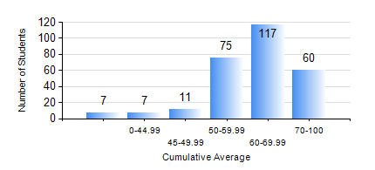
 |  |  | KWAME NKRUMAH UNIVERSITY OF SCIENCE AND TECHNOLOGY, KUMASI Department of Mechanical Engineering

 |  |  | BSC. MECHANICAL ENG.

 |  |  | COMPREHENSIVE RECORD OF EXAMINATION RESULTS

 |  |  | RESULTS OF YEAR 2 SECOND SEMESTER, 2021/2022 ACADEMIC YEAR

 | Sn | Course Code |  | Course Name | Credit Hours | Min. Mark | Max. Mark | Avg. Mark | Std. Dev. | No. Passed | No. Trailed | No. (Df) | No. (I) | No. (I*) | No. Tagged(I,I*,Df) | Total
 | 0. |  |  |  |  |  |  | 0 | 0 | 0 | 0 | 0 | 0 | 0 | 0 | 4
 | 1. | ENGL 264 |  | LITERATURE IN ENGLISH II | 1 | 0 | 86 | 65 | 9.85 | 269 | 3 | 0 | 1 | 0 | 1 | 273
 | 2. | MATH 252 |  | CALCULUS WITH SEVERAL VARIABLES | 4 | 0 | 85 | 68 | 10.94 | 267 | 4 | 0 | 2 | 0 | 2 | 273
 | 3. | ME 252 |  | FLUID DYNAMICS I | 2 | 0 | 96 | 60 | 14.41 | 267 | 4 | 0 | 2 | 0 | 2 | 273
 | 4. | ME 264 |  | MECHANISMS SYNTHESIS AND ANALYSIS I | 3 | 0 | 97 | 61 | 16.47 | 256 | 15 | 0 | 2 | 0 | 2 | 273
 | 5. | ME 266 |  | THERMODYNAMICS I | 2 | 0 | 98 | 69 | 15.48 | 265 | 6 | 0 | 2 | 0 | 2 | 273
 | 6. | ME 270 |  | MANUFACTURING TECHNOLOGY | 3 | 0 | 91 | 61 | 13.65 | 259 | 12 | 0 | 2 | 0 | 2 | 273
 | 7. | ME 274 |  | SECOND YEAR DESIGN PROJECT | 2 | 0 | 91 | 59 | 12.19 | 265 | 7 | 0 | 1 | 0 | 1 | 273
 | 8. | ME 296 |  | MECHANICAL ENGINEERING LAB. II | 1 | 0 | 82 | 75 | 5.49 | 272 | 1 | 0 | 0 | 0 | 0 | 273

